Break-Even Analysis
Application Activity: Break-Even Analysis

 | Refreshing Drink's name:
 | MEANA

 | Instructions Complete the steps below by filling in the yellow cells. If you need additional help, see W05 Prepare: Team Project. The results of this activity will show your team's projected yearly costs and revenue. Cell M54, outlined in red, will show your projected annual net profit.
 | 1. Enter the Refreshing Drink's name in cell D4 then press "enter". Be sure everyone in your group types it in exactly the same way inorder to get the same numbers.
 | 2. Use an Excel formula to calculate the annual fixed costs using the green table below. Notice that the numbers in the green table are monthly and you need to calculate annual (yearly) fixed costs. Use cell references.
 | 3. Look at the Price Demand Graph below. Choose a price per cup, then find the corresponding percent of demand.
 | 4. Enter your choice of price per cup into cell E24 and the corresponding percent of demand into cell E25.
 | 5. Try different combinations of price and demand (referencing the graph) until you find a combination that allows you to sell to as many neighbors as possible (high demand) while also making as much money as possible (high price). You are not expected to find the precise numbers, but try and get as close as you can by exprerimenting with these values.
 | 6. Calculate the break-even point using the instructions provided. Use cell references in your equation and remember the order of operations. Hint: you may need to use parentheses.
 | 7. Save and submit your file at Application Activity: Break-Even Analysis.

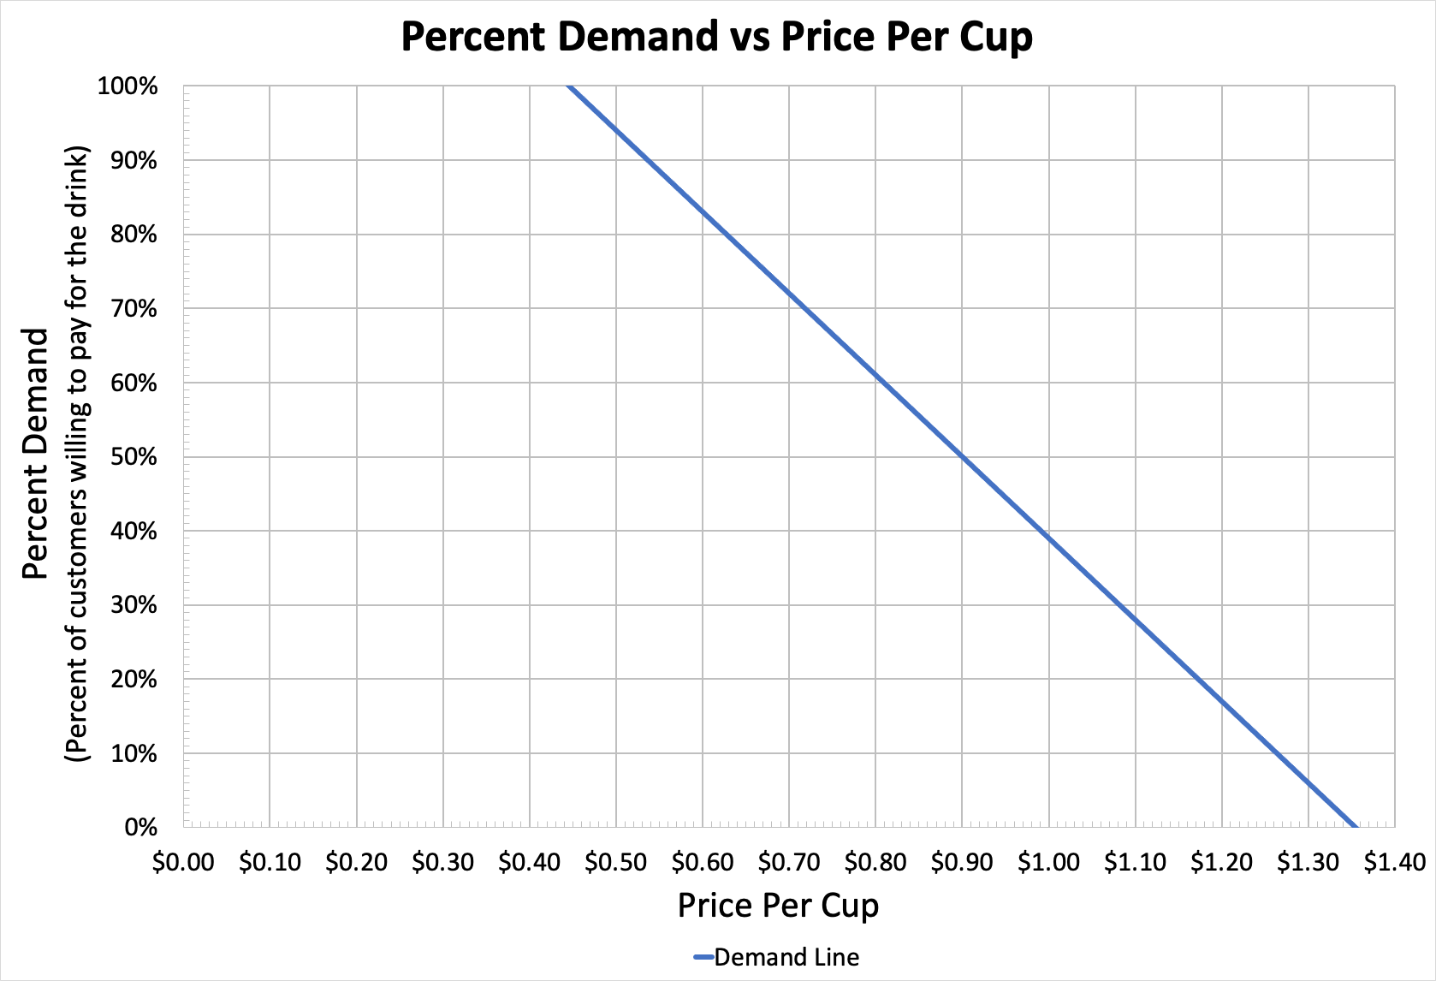
 | Neighborhood Market
 | Fixed Costs per Month
 | Shop Rental |  | $323.85
 | Utilities (power, water, trash) |  | $114.43

2. | Annual Fixed Costs | $5,259.36

 | Variable Costs | $0.30 |  | 3.

4. | Price | $0.80
 | % of Demand | 60%

6. | Break Even Point* | 10519

 | *Using Excel, calculate the break even point to find out how many units you'll need to sell to cover your fixed costs. Make sure you put parentheses around price and variable cost.

Neighborhood Yearly Cost & Revenue

 |  |  |  |  |  |  |  | Monthly Demand | Price Adjusted Demand

 |  |  |  |  |  |  | January | 274 | 164
 |  |  |  |  |  |  | February | 613 | 368
 |  |  |  |  |  |  | March | 1,063 | 638
 |  |  |  |  |  |  | April | 2,006 | 1,204
 |  |  |  |  |  |  | May | 3,222 | 1,933
 |  |  |  |  |  |  | June | 4,160 | 2,496
 |  |  |  |  |  |  | July | 3,085 | 1,851
 |  |  |  |  |  |  | August | 3,222 | 1,933
 |  |  |  |  |  |  | September | 3,801 | 2,281
 |  |  |  |  |  |  | October | 2,715 | 1,629
 |  |  |  |  |  |  | November | 2,114 | 1,268
 |  |  |  |  |  |  | December | 744 | 446

 |  |  |  |  |  |  |  | Beginning of Year | End of Year |  | Total Units sold | Annual Costs (Fixed and Variable) | Annual Revenue
 |  |  |  |  |  | Total Units sold |  | 0 | 16,211 | Beginning of year | 0 | $5,259.36 | $0.00
 |  |  |  |  | Annual (Fixed and Variable) Costs |  |  | $5,259 | $10,123 | End of year | 16211 | $10,122.78 | $12,969.12
 |  |  |  |  |  | Annual Revenue |  | $0 | $12,969
 |  |  |  |  |  |  | Annual Net Profit |  | $2,846
 |  |  |  |  |  |  | Profit Margin |  | 22%

